Project Management
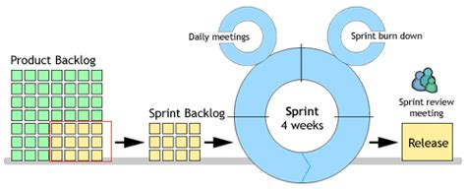
Description | Notes | References

Collaboration
Development will be done in a collaborative and team based environment
Development will be handled in an Agile-like fashion - this keeps the collaborative nature in place | I say Agile-like because we want the concept of Agile without going the full monty of imposing the rigorous guidelines and overhead of project mgmt. | Wikipedia - Agile
Development will be broken down into Sprint-like iterations - this keeps scope well defined |  | Wikipedia - Agile Sprint
Development using these concepts will be done by learning on the job so to speak. Nobody is expected to be an Agile Scrum master (I certainly am not) |  | Cool concept: Atlassian - Stories, Epics and Themes

Coding
Github will be used to manage project
Implementation and consumption of Git will be an iterative thing - we do not need to be Git-masters or Git-fanatics from the start
Collaboration is key to the success of this project
Mistakes will be made - that's life - recognize them, fix them and move on from them
Tasks and obligations shall be recorded in Git
Bugs shall be recorded in Git
Branching will be used to isolate iterations and versions
Development tasks will be managed via the pull model rather than a push model

Here's a conceptual picture of a typical development effort
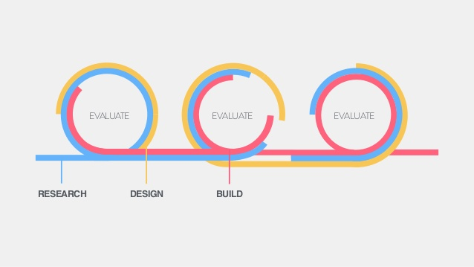

Here's a high-level picture of Agile sprint iterations

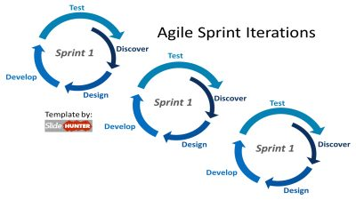

Typical Sprint Graphic
Obviously daily meetings will not be the case - but more than bi-weekly communication would be necessary.

